Ads Funnel Intro
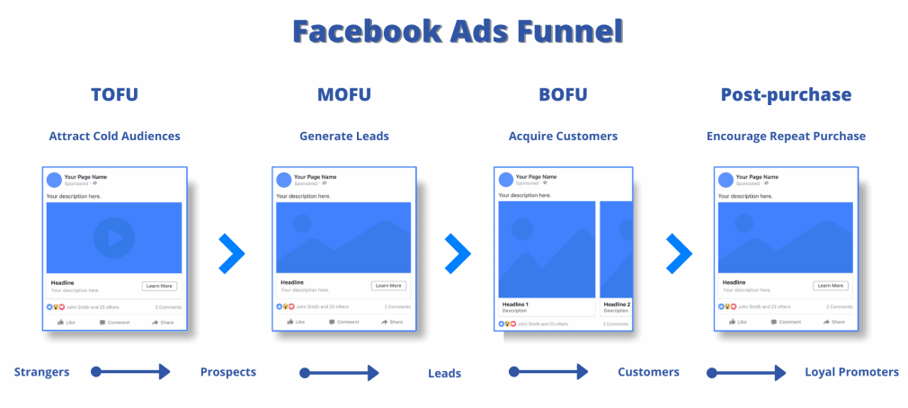

WHAT is a Facebook Ads Funnel?
A Facebook Ads funnel is a sequence of ad campaigns designed to take users along the buyer’s journey, from complete strangers to high-paying customers. They consist of multiple campaigns & ads that include different value propositions delivered to your audience at the right moment.
WHY are Funnels so important?
The chances of someone buying your product or service the first time they see your ad or engaging with your brand are quite slim. To get people converting to your core offer, you need multiple touchpoints. And you need a funnel to move prospects from one stage to the next.
Facebook Ads funnel consist of three stages:
Awareness – Top of the Funnel (TOFU), Consideration – Middle of the Funnel (MOFU), Conversion/Decision – Bottom of the Funnel (BOFU). This is followed by the Post-Purchase stage where your goal is to turn existing buyers into loyal customers and even brand advocates.

